Report
Test Case Report
Project Name - | Amazon Shopping
Module Name - | Home Page |  |  |  |  | Total No. | Status | Result :
Test Case Version | - |  |  |  |  | 87 | PASS
Written By | Israt Jahan |  |  |  |  | 32 | FAIL
Executed By | Mr. Rahman |  |  |  |  | 0 | Not Executed | New Features | Testing Scope | Testing Environment :
Reviewed By | Mst. Punom |  |  |  |  | 1 | Out of Scope |  |  | Google Chrome Browser
Test Case Report
TEST EXECUTION REPORT

Test Case | PASS | FAIL | Not Executed | Out Of Scope | Total TC
 | 87 | 32 | 0 | 1 | 120
Grand Total | 87 | 32 | 0 | 1 | 120

LIMITATIONS
Documents |  |  |  | Received | Useful
PRD |  |  |  | No | No
USER STORY |  |  |  | No | No

MindMap
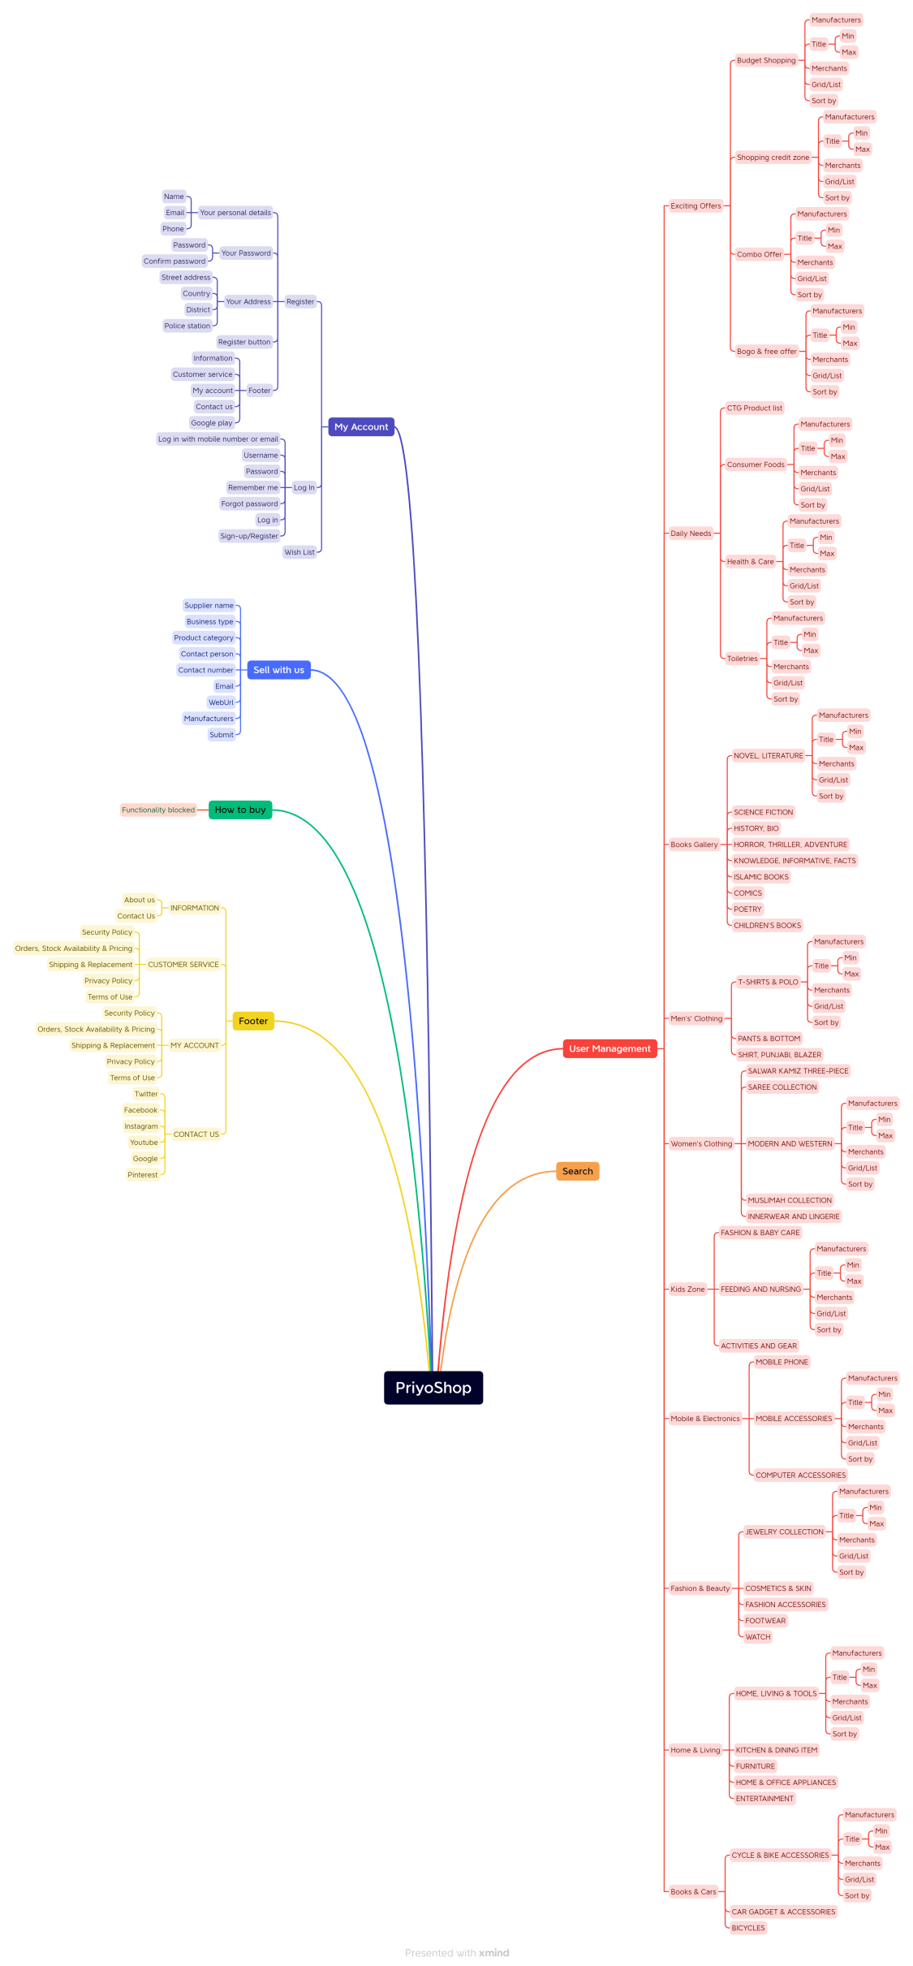
Mind Map

